1. Instructions
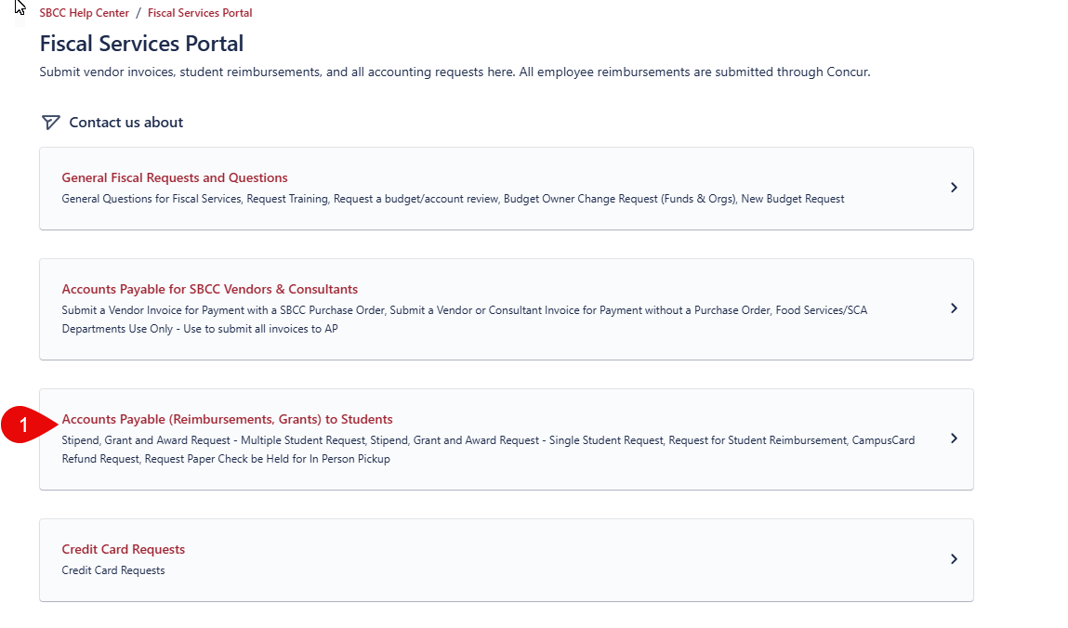
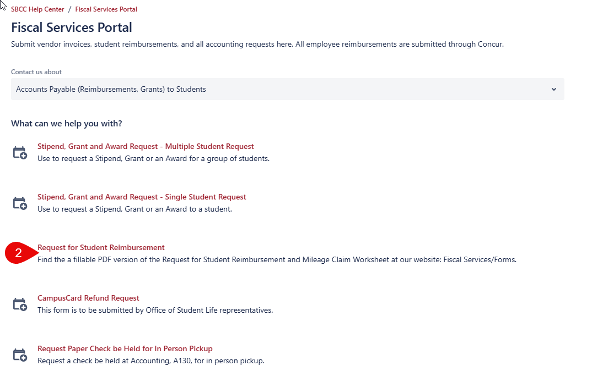
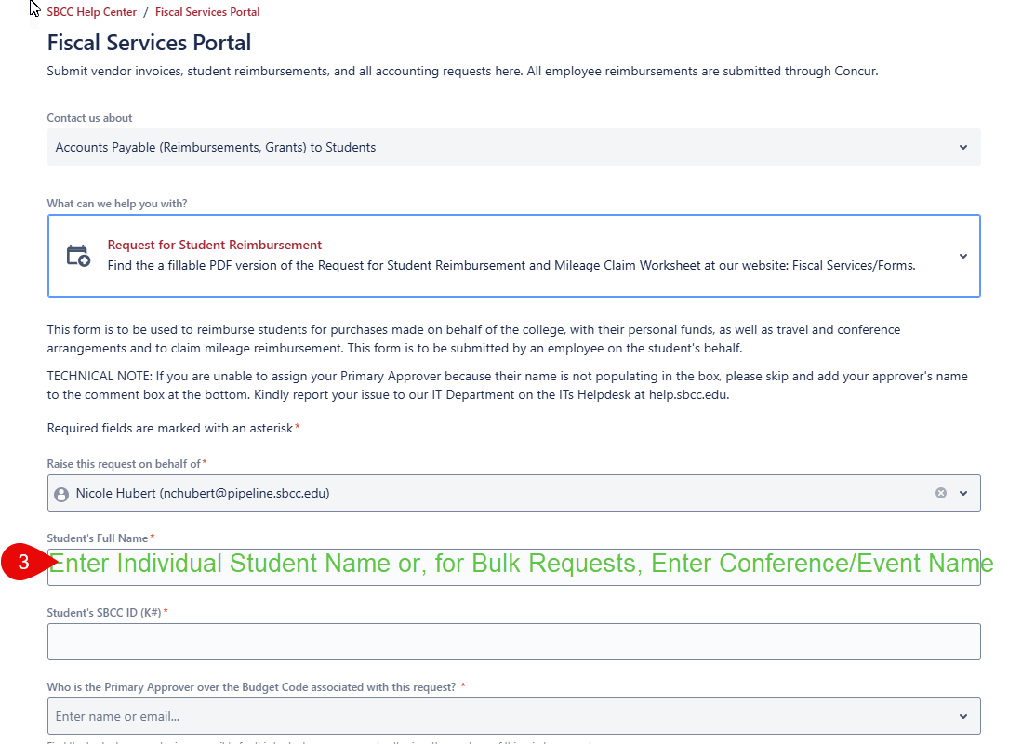
Internal Audit: 2025 Per Diem Rates
Breakfast | 18
Lunch | 23
Dinner | 47
Daily Per Diem Total | 88
Student count
Total Request | 0

STEP 1 |  | STEP 2 | STEP 3

